Valid login
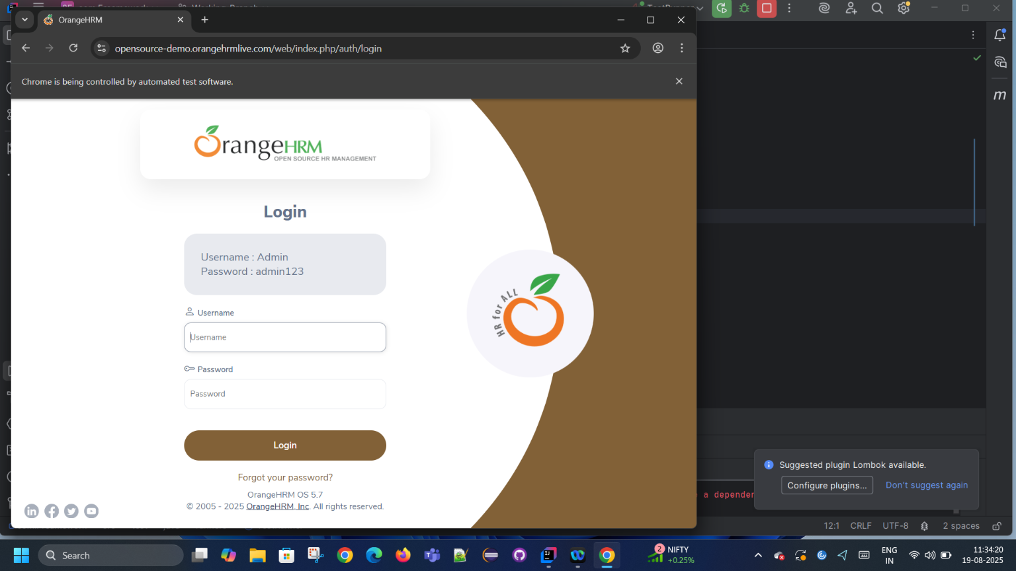

Step | Status | Screenshot Path
Given I navigate to OrangeHRM website | PASSED
Given I navigate to OrangeHRM website1 | PASSED

Given I navigate to OrangeHRM website2 | PASSED

Given I navigate to OrangeHRM website3 | PASSED

Given I navigate to OrangeHRM website4 | PASSED

Given I navigate to OrangeHRM website5 | PASSED

Given I navigate to OrangeHRM website6 | PASSED

Given I navigate to OrangeHRM website7 | PASSED

